Sheet1
Purchase Order
Bill To | Synergy Industrial Services Pvt Ltd
Address | 30/1, BALLYGUNGE PLACE, KOLKATA - 700019 |  |  |  |  |  | Purchase Order No : |  |  |  | VND/PO-CP-004/26-27
 |  |  |  |  |  |  | Date : |  |  |  | 2026-04-02
Email Id | purchase@synergyispl.com |  |  |  |  |  | REVISION NO:
GSTIN | 19AADCS5778F1ZX |  |  |  |  |  | Payment Terms |  |  |  | 100% PAYMENT AGAINST DELIVERY WITHIN 30 DAYS CREDIT.
GST State | 19 |  |  |  |  |  | Quotation No. & Date: |  |  |  | REPEAT ORDER, VND-PO-CP-109-25-26, Dt. 11/10/2025

Supplier Name | D. R. TECH |  |  |  |  |  | Delivery Address |  | SYNERGY INDUSTRIAL SERVICES PVT. LTD.
Supplier Address | 97, B.T.ROAD, BARRANAGAR |  |  |  |  |  |  |  | Plot 1(F), WBIIDC Growth Centre
 | KOLKATA, WEST BENGAL-700090 |  |  |  |  |  |  |  | KALYANI - 741235, NADIA - WB
GSTIN/UIN | 19ACJPR4214L1Z7
Email Id: | drtech.kolkata@gmail.com |  |  |  |  |  | Contact Person |  | Sudip Chakraborty, 6291053165
Contact Person | Debasish Roy, Ph:+91-9831179967 |  |  |  |  |  | Indent |  | PR-CP-062-25-26, Dt: 04/03/2026, PR-CP-071-25-26 & PR-CP-072-25-26, Dt: 24/03/2026
Dear Sir/Madam,
We are pleased to place order on you for the following items as per terms & conditions specified below:
Sl No | Item Name | Description | Product Category | Delivery Date | Qty | UOM | Rate | Disct % | Gross Value | CGST |  | SGST |  | IGST | TOTAL
 |  |  |  |  |  |  |  |  |  | % | Amt | % | Amt | %
1 | AE ENCLOSURE | AE ENCLOSURE ARTICLE NO.1380.500 DIMENSION-380X380X210 MOC: CRCA COLOUR: RAL 7035 PROTECTION: IP 66 | RITTAL | 15-Apr-26 | 35 | PCS | 4,500.00 | 0% | 157,500.00 | 9% | 14,175.00 | 9% | 14,175.00 |  | 185,850.00

 | TOTAL |  |  |  |  |  | 4,500.00 |  | 157,500.00 |  | 14,175.00 |  | 14,175.00 |  | 185,850.00

Remarks
Terms & Conditions
1. PAYMENT TERMS: 100% Payment against delivery on 30 Days Credit. 2. PACKING WITH FORWARDING : At your Scope 3. FREIGHT : Delivery to Kalyani Works. 4. INSURANCE : At Your Scope 6. DELIVERY PERIOD: Within 10-12 Days From Received PO Date. 7. INTRA STATE ROAD PERMIT: As Applicable 9. WARRANTY: 12 Months from Date of Purchase. 10. BILLING INSTRUCTION: 3 Invoice Copy, Delivery Challan, Packing List, Warranty Certificate & Manual Copy. |  |  |  |  |  |  |  |  |  | 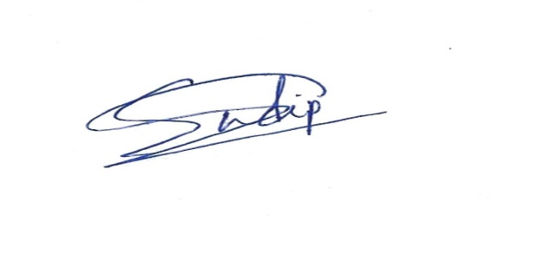 For Synergy Industrial Services Pvt. Ltd

